MBB Transaction
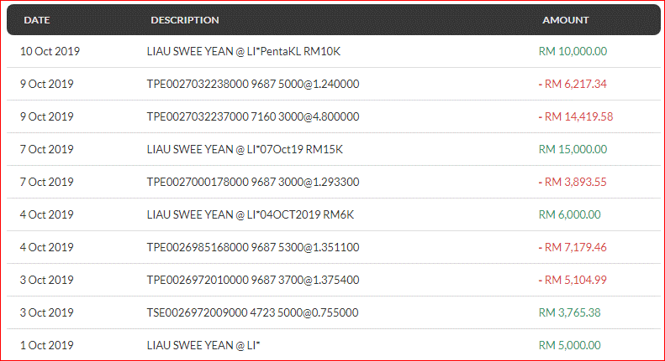
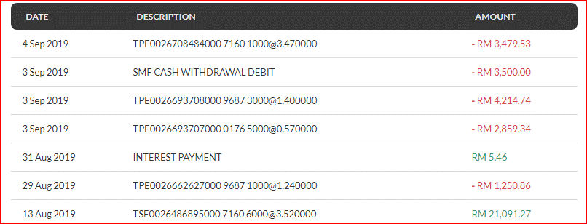
Transaction date | Description | Debit | Credit
31-Aug-19 | INTEREST PAYMENT |  | RM5.46
29-Aug-19 | TPE0026662627000 9687 1000@1.240000 | RM1,250.86
13-Aug-19 | TSE0026486895000 7160 6000@3.520000 |  | RM21,091.27

Sheet2
